Test cases
Test case number | Test case name | Description | Test Steps | Test Data | Expected Result | Actual Result | Severity | Priority | Tested By | Test Status | Test Creation Date | Test Execution Date | Screen Shots
TC_01 | Verify the EN button is dispalyed. | Verify the EN button is dispalyed. | 1.Open Application Url. 2. check wheater default cursor is change to hand cursor while hovering to EN button. | NA | User should be able to hover the cursor which is displayed as EN | Sucessful Action | High | High | Abhishek | Pass | 2024-06-25 | 2024-06-26 | 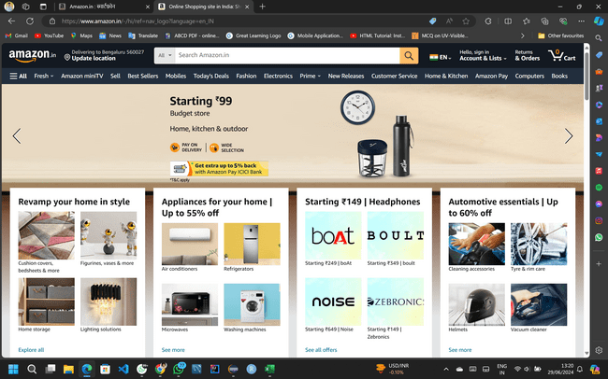
TC_02 | Verify the EN button is Clickable | Verify the EN button is Clickable | 1.Open Application Url. 2. check wheater default cursor is change to hand cursor while hovering to EN button. 3.click the EN button. 4.the Page will be navigated to language setting page and will be displayed. | NA | User should be able to click the EN button and navigate to language setting page | Successful | High | High | Abhishek | Pass | 2024-06-25 | 2024-06-26 | 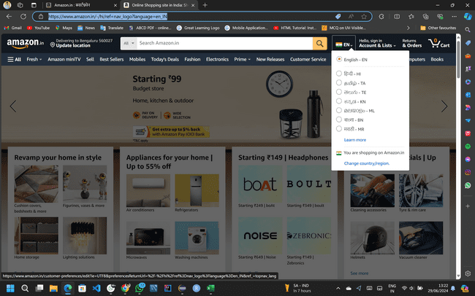
TC_03 | Verify the Sequence of listed languages are showned as between the Dropdown and Language settings | Verify the Sequence of listed languages are showned as between the Dropdown and Language settings | 1.Open Application Url. 2. check wheater default cursor is change to hand cursor while hovering to EN button. 3.click the EN button. 4.the Page will be navigated to language setting page and will be displayed. 5. Again hover the cursor on EN button. 6. match the sequence of language is displayed in EN button as well as Language setting page | NA | List of supported language match Successful | Successful | Medium | medium | Abhishek | Pass | 2024-06-27 | 2024-06-27
TC_04 | Verify the Save changes button is clickable in language setting | Verify the Save changes button is clickable in language setting | 1.Open Application Url. 2. check wheater default cursor is change to hand cursor while hovering to EN button. 3.click the EN button. 4.the Page will be navigated to language setting page and will be displayed. 5.select and click the particular language. 6. check whether page languge is changing after clicking the save changes button | NA | User is sucessfully changed the page language | Successful | High | High | Abhishek | Pass | 2024-06-28 | 2024-06-29 | 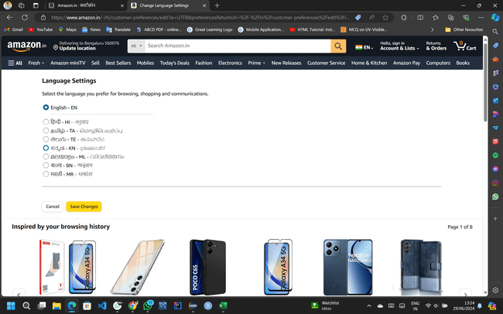
TC_05 | Verify the EN button is dispalyed with default country flag. | Verify the EN button is dispalyed with default country flag. | 1.Open Application Url. 2. check wheater default cursor is change to hand cursor while hovering to EN button. 3. Check whether EN button is displaying with default country flag. | NA | User should be able to see correct country flag | Sucessful Action | High | medium | Abhishek | Pass | 2024-06-28 | 2024-06-29 | 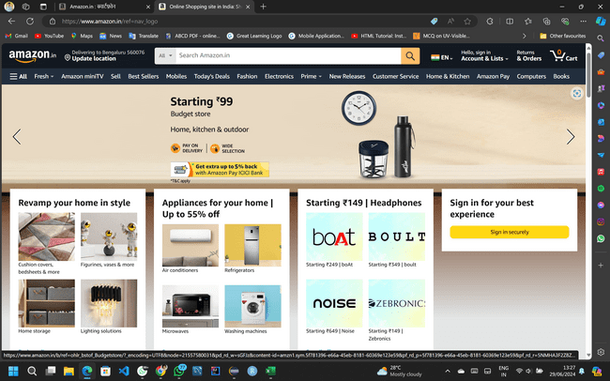
TC_06 | Verify the Title of the tab is showing in tab when page after navigated to language settings | Verify the Title of the tab is showing in tab when page after navigated to language settings | 1.Open Application Url. 2. hover the cursor to EN button. 3. Click the Dropdown Button. 4. Page is navigated to language setting page. 5. check whether correctly displaying the top title of tab. | NA | Correct Title of tab after navigating to language setting | Successful | Low | medium | Abhishek | Pass | 2024-06-28 | 2024-06-29 | 
TC_06 | Verify the Default Language is English | Verify the Default Language is English | 1.Open Application Url. 2. check wheater default cursor is change to hand cursor while hovering to EN button. 3. Check whether if Language is default to English or Not. | NA | Default Language is English | Sucessful Action | High | medium | Abhishek |  | 2024-06-27 | 2024-06-28
TC_07 | Verify the Language and Country Dropdown button is clickable | Verify the Language and Country Dropdown button is clickable | 1.Open Application Url. 2. check wheater default cursor is change to hand cursor while hovering to EN button. 3. Check whether Dropdown Button is clickable and responsive. | NA | Dropdown is Responsive | Sucessful Click | High | High | Abhishek | Pass | 2024-06-28 | 2024-06-29 | 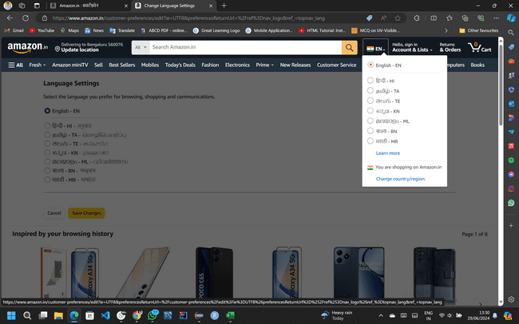
TC_08 | Verify the Dropdown button has listed list of supported languages. | Verify the Dropdown button has listed list of supported languages. | 1.Open Application Url. 2. check wheater default cursor is change to hand cursor while hovering to EN button. 3. Check whether Dropdown Button is clickable and responsive. 4. check whether list of supported languages are show which is supported by default Country. | NA | Dropdown is Showing Supported Languages | user can access all list of language | High | High | Abhishek | Pass | 2024-06-29 | 2024-06-30
TC_09 | Verify that all listed languages are correctly named and displayed in their respective scripts. | Verify that all listed languages are correctly named and displayed in their respective scripts. | 1.Open Application Url. 2. check wheater default cursor is change to hand cursor while hovering to EN button. 3. Check whether Dropdown Button is clickable and responsive. 4. check whether list of supported languages are show which is listed as their correct language name. | NA | All languages are correctly dispalyed | Successful | High | High | Abhishek | Pass | 2024-06-29 | 2024-06-30 | 
TC_10 | Validate the selected language applies across the entire app interface. | Validate the selected language applies across the entire app interface. | 1.Open Application Url. 2. check wheater default cursor is change to hand cursor while hovering to EN button. 3. Check whether Dropdown Button is clickable and responsive. 4. Click the any one language . 5.check The selected language is applies entire application interface. | NA | selected language is applied successfully | user can able to use in selected language | High | High | Abhishek | Pass | 2024-06-29 | 2024-06-30 | 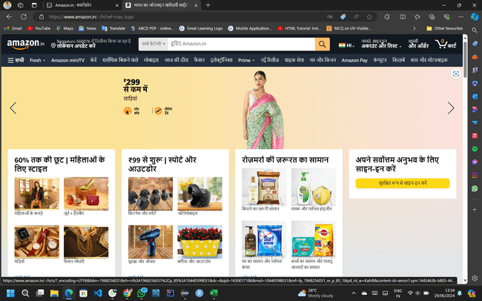
TC_11 | Check that all interface elements (buttons, labels, menus) are translated correctly. | Check that all interface elements (buttons, labels, menus) are translated correctly. | 1.Open Application Url. 2. check wheater default cursor is change to hand cursor while hovering to EN button. 3. Check whether Dropdown Button is clickable and responsive. 4. Click the any one language . 5.check The selected language is translated all elements correctly in the page | NA | Sucessfully Translated | user can able to access required language | High | medium | Abhishek | Pass | 2024-06-29 | 2024-06-30 | 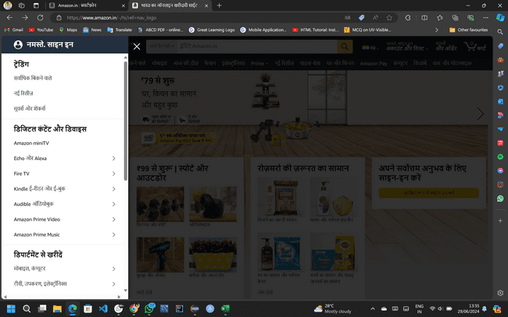
TC_12 | Ensure text alignment and readability are appropriate for the selected language. | Ensure text alignment and readability are appropriate for the selected language. | 1.Open Application Url. 2. check wheater default cursor is change to hand cursor while hovering to EN button. 3. Check whether Dropdown Button is clickable and responsive. 4. Click the any one language . 5.check The selected language is translated,aligned and readable all elements correctly in the page | NA | Successfully Aligned the translated text in the Page | user can able to Read the translated language | High | High | Abhishek | Pass | 2024-06-29 | 2024-06-30 | 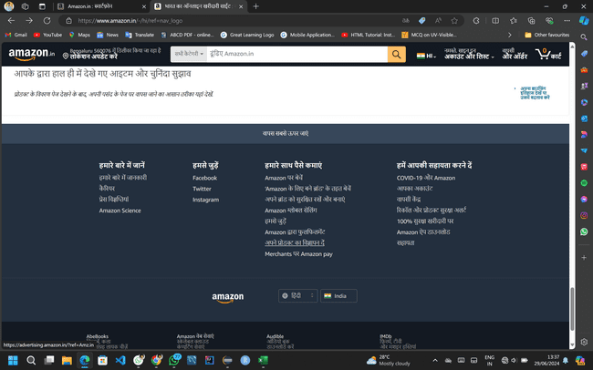
TC_13 | Ensure The Learn More hyperlink is Resposnsive | Ensure The Learn More hyperlink is Resposnsive | 1.Open Application Url. 2. check wheater default cursor is change to hand cursor while hovering to EN button. 3. Click the Dropdown Button . 4. check whether list of supported languages are show which is listed as their correct language name. 5.hover the learn more hyperlink and check if its Responding or not | NA | As expected results | user can hover the learn more hyperlink | Medium | medium | Abhishek | Pass | 2024-06-29 | 2024-06-30
TC_14 | Ensure the Learn more hyperlink is Redirected to Help and customer service | Ensure the Learn more hyperlink is Redirected to Help and customer service | 1.Open Application Url. 2. check wheater default cursor is change to hand cursor while hovering to EN button. 3. Click the Dropdown Button . 4.hover the learn more hyperlink and click. | NA | Learn more hyperlink clickable | user can able to click learn more hyper link | High | High | Abhishek | Pass | 2024-06-30 | 2024-07-01
TC_15 | Ensure The change country/region hyperlink is visible and aligned properly | Ensure The change country/region hyperlink is visible and aligned properly | 1.Open Application Url. 2. check wheater default cursor is change to hand cursor while hovering to EN button. 3. Click the Dropdown Button . 4. check if change country hyperlink is aligned properly. 5.hover the change country/region hyperlink . | NA | Change country/region hyperlink is present | user can able to see hyperlink | High | High | Abhishek | Pass | 2024-07-01 | 2024-07-02 | 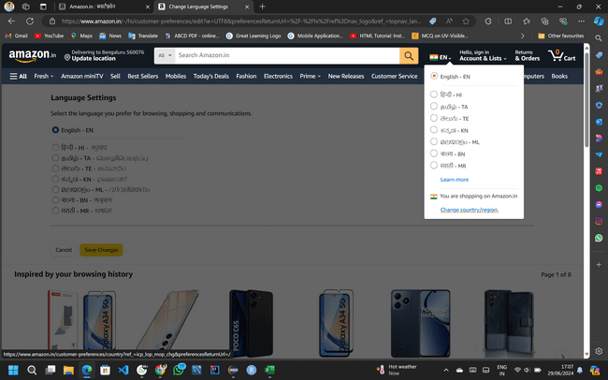
TC_16 | Ensure The change country/region hyperlink is responsive | Ensure The change country/region hyperlink is responsive | 1.Open Application Url. 2. check wheater default cursor is change to hand cursor while hovering to EN button. 3. Click the Dropdown Button . 4.hover the change country/region hyperlink and click . | NA | Change country/region click sucess | user can able to click the change region | High | High | Abhishek | Pass | 2024-07-02 | 2024-07-03 | 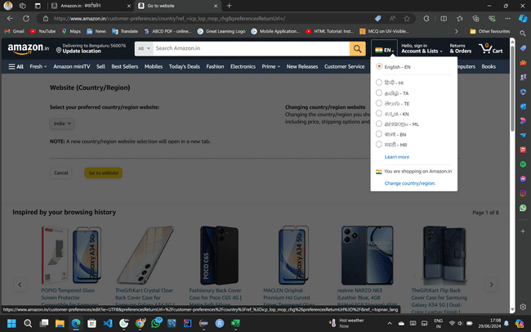
TC_17 | Verify the country dropdown is present in change country page | Verify the country dropdown is present in change country page | 1.Open Application Url. 2. check wheater default cursor is change to hand cursor while hovering to EN button. 3. Click the Dropdown Button . 4.hover the change country/region hyperlink and click . 5.check if hyperlink is redirected to change country settings page. 6. check if Country dropdown is visible and aligned properly. | NA | country dropdown is available | user can able to access country dropdown | High | High | Abhishek | Pass | 2024-07-02 | 2024-07-03
TC_18 | Verify the country dropdown is clickable and and able to see list of countries in change country page | Verify the country dropdown is clickable and and able to see list of countries in change country page | 1.Open Application Url. 2. check wheater default cursor is change to hand cursor while hovering to EN button. 3. Click the Dropdown Button . 4.hover the change country/region hyperlink and click . 5.check if hyperlink is redirected to change country settings page. 6. click the country dropdown . 7. check if other list of countries are available to change. | NA | country dropdown is responsive and able to show all other list of countries. | user can able to access the country list menu | High | High | Abhishek | Pass | 2024-07-02 | 2024-07-03
TC_19 | Verify the country dropdown is having respective country flags. | Verify the country dropdown is having respective country flags. | 1.Open Application Url. 2. check wheater default cursor is change to hand cursor while hovering to EN button. 3. Click the Dropdown Button . 4.hover the change country/region hyperlink and click . 5.check if hyperlink is redirected to change country settings page. 6. click the country dropdown . 7. check if all country flags are matches with thier country name. | NA | country flags are matched | successful | Medium | medium | Abhishek | Pass | 2024-07-02 | 2024-07-03 | 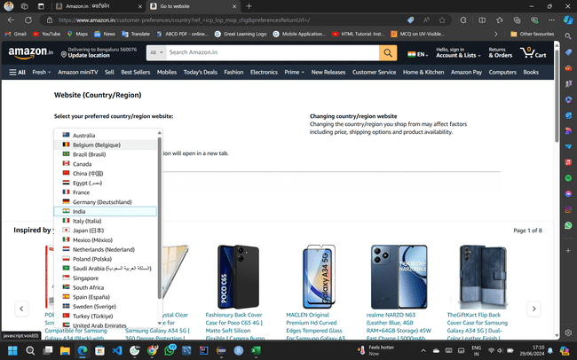
TC_20 | (Specific Language TestCase:Hindi) Check that all interface elements are translated to Hindi languages (buttons, labels, menus). | Check that all interface elements are translated to Hindi languages (buttons, labels, menus). | 1.Open Application Url. 2. check wheater default cursor is change to hand cursor while hovering to EN button. 3. Check whether Dropdown Button is clickable and responsive. 4. Click the Hindi language . 5.check The selected language is translated all elements correctly in the page. | NA | Language changed to Hindi | Successfully implemented | High | High | Abhishek | Pass | 2024-07-02 | 2024-07-03 | 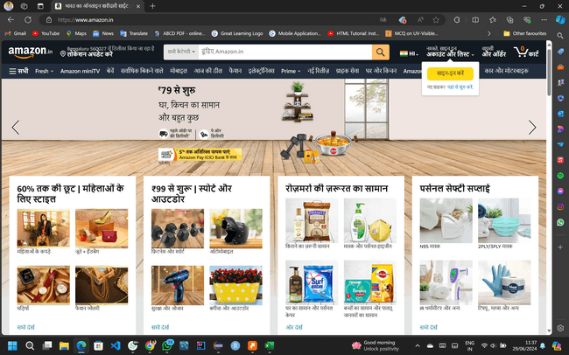
TC_21 | verify the default language dropdown is selected as HI | verify the default language dropdown is selected as HI | 1.Open Application Url. 2. check wheater default language is selected to HI in the Dropdown. | NA | Hindi language is selected | successful | High | medium | Abhishek | Pass | 2024-07-02 | 2024-07-03 | 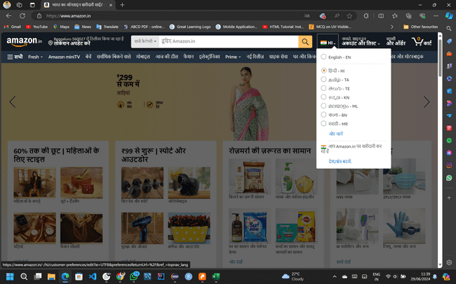
TC_22 | verify that current default language Hindi elements is without overlapped in page | verify that current default language Hindi elements is without overlapped in page | 1.Open Application Url. 2.check The selected language is translated all elements correctly and not overlapped . | NA | Hindi language text is not overlapped | User can able to see clear text | High | High | Abhishek | Pass | 2024-07-02 | 2024-07-03 | 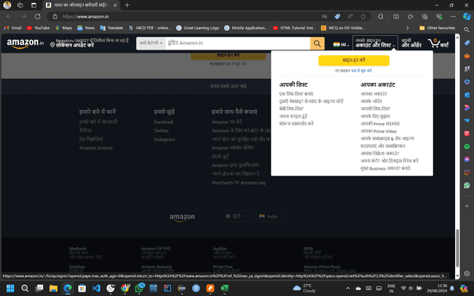
TC_23 | Verify the Hindi keyword are matching with actual Hindi elememts which is actual present in interface. | Verify the Hindi keyword are matching with actual Hindi elememts which is actual present in interface. | 1.Open Application Url. 2. match the Hindi elements which shown in the Home page. . | मोबाइल सभी बेचें घर और किचन ग्राहक सेवा नई रिलीज़ इलेक्ट्रॉनिक्स फैशन | Elements matched to hindi | Succesfull | High | medium | Abhishek | Pass | 2024-07-02 | 2024-07-03 | 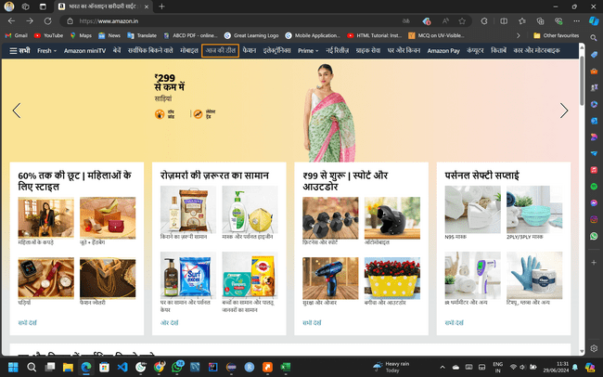
TC_24 | verify that search results should be accurate,relavent and matching the users query as per Hindi Language | verify that search results should be accurate,relavent and matching the users query as per Hindi Language | 1.Open Application Url. 2. check wheater default cursor is change to hand cursor while hovering to EN button. 3. Check whether Dropdown Button is clickable and responsive. 4. Click the Hindi language . 5.check The selected language is translated all elements correctly in the page. 6. in the search box enter the translated Hindi data and validate the translation is matching with users query. | The Hindi element स्मार्टफ़ोन | In the search results its should be accurate, and matching as per users query. | Successfully implemented | High | medium | Abhishek | Pass | 2024-07-02 | 2024-07-03 | 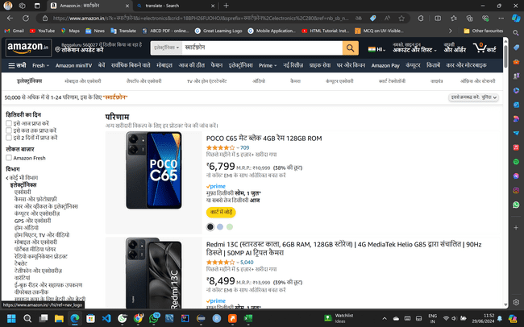
TC_25 | verify that Product Description should be relavent and matching the users query as per Hindi Language | verify that Product Description should be relavent and matching the users query as per Hindi language | 1.Open Application Url. 2. check wheater default cursor is change to hand cursor while hovering to EN button. 3. Check whether Dropdown Button is clickable and responsive. 4. Click the Hindi language . 5.check The selected language is translated all elements correctly in the page. 6. in the search box enter the translated Hindi data and validate the translation is matching with users query. 7. Select any smartphone and validate the product decriptions | स्मार्टफ़ोन | Product decription matches with Hindi elemts | Successful | Medium | medium | Abhishek | Pass | 2024-07-03 | 2024-07-04 | 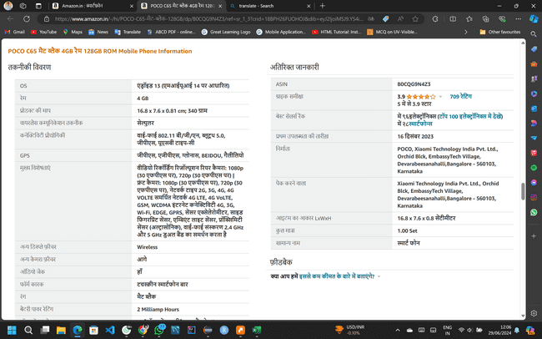
TC_26 | Ensure The Learn More hyperlink is clickable | verify if the Learn More hyperlink is clickable | 1.Open Application Url. 2. check wheater default cursor is change to hand cursor while hovering to EN button. 3. Click the Dropdown Button . 4. check whether list of supported languages are show which is listed as their correct language name. 5.hover the learn more hyperlink and check if its Responding or not | NA | As expected results | user can hover but cannot click the learn more hyperlink | Medium | medium | Abhishek | Fail | 2024-06-29 | 2024-06-30 | 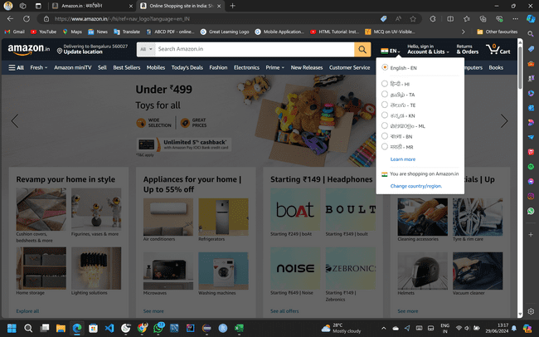

Defects
Defect number | Project Name | Module Name | Requirement Number | Test Case ID | Summary | Description | Issues | Severity | Priority | Assign to | Screen Shots
BUG_01 | Amazon.in | Amazon.in | Req_1 | TC_26 | The Learn More hyperlink is not clickable | Validate if the Learn More hyperlink is not clickable | While hover the cursor on the learn more hyperlink The Learn More hyperlink is unable to click | Medium | Medium | Abhi | 